Sheet1
 | Document No. |  | Issue No. | Issue Date |  |  | Review and Replace Date |  |  | Authorised By
 | GFF214MC |  | 3 | 10.09.2020 |  |  | 23.12.2021 |  |  | Magda Shah
 | Document Title |  | TARKA DAHL 300g
Document amendments reason for change | Film Updated |  |  |  | Page 1 of 1 |  |  | Previous Issue Date | 11.06.2021 | Uncontrolled copy unless signed original

CVTAR-R4TCC |  | CHEFS CREATION |  |  |  | TARKA DAHL 300g | CHILLED
STEP 1
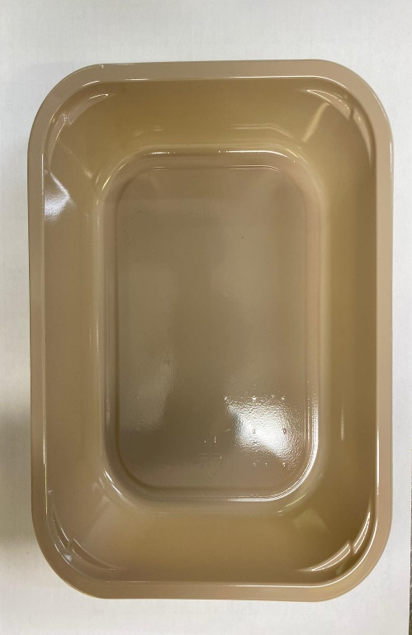 |  |  |  |  |  | 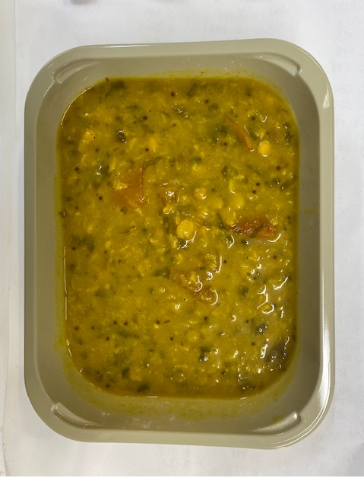

Tray: EVOLVE CPET 2200-1E (PKRHP001-08) |  |  |  |  |  | Tarka Dahl (CC) (GFF325R): 300g

Film: K peel 7G+25A/f- 275mm (275 mmX1000) (PKKMP001-03)

TOTAL WEIGHT: 300g
ALLERGY ALERT: MUSTARD

